Conditions
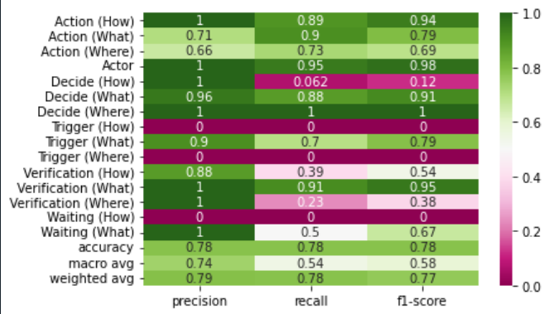
Label | Alernative order | Chronological order | Parent label order | Completed | Vector/Model
Action (How) | 3 | 9 | 2 | Yes | v3 | [ | ' | ] | , | [ 'Action (How) ', 'Action (What) ', 'Action (Where) ', 'Actor ', 'Decide (How) ', 'Decide (What) ', 'Decide (Where) ', 'Trigger (How) ', 'Trigger (What) ', 'Trigger (Where) ', 'Verification (How) ', 'Verification (What) ', 'Verification (Where) ', 'Waiting (How) ', 'Waiting (What) ', 'Waiting (Where) ']
Action (What) | 1 | 7 | 1 | Yes | v1 | [ | ' | ] | ,
Action (Where) | 2 | 8 | 3 | Yes | v1 | [ | ' | ] | ,
Actor | 0 | 0 | 1 | Yes | v1 | [ | ' | ] | ,
Decide (How) | 6 | 6 | 2 | No | v4 | [ | ' | ] | , | [ '9 ', '7 ', '8 ', '0 ', '6 ', '4 ', '5 ', '3 ', '1 ', '2 ', '15 ', '13 ', '14 ', '12 ', '10 ', '11 ']
Decide (What) | 4 | 4 | 1 | Yes | v2 | [ | ' | ] | ,
Decide (Where) | 5 | 5 | 3 | No | v4 | [ | ' | ] | ,
Trigger (How) | 9 | 3 | 2 | No | v4 | [ | ' | ] | ,
Trigger (What) | 7 | 1 | 1 | Yes | v2 | [ | ' | ] | ,
Trigger (Where) | 8 | 2 | 3 | No | v4 | [ | ' | ] | ,
Verification (How) | 12 | 15 | 2 | No | v4 | [ | ' | ] | ,
Verification (What) | 10 | 13 | 1 | Yes | v2 | [ | ' | ] | ,
Verification (Where) | 11 | 14 | 3 | No | v4 | [ | ' | ] | ,
Waiting (How) | 15 | 12 | 2 | No | v4 | [ | ' | ] | ,
Waiting (What) | 13 | 10 | 1 | Yes | v2 | [ | ' | ] | ,
Waiting (Where) | 14 | 11 | 3 | No | v4 | [ | ' | ] | ,
Accuracy
macro avg
weighted avg

SOPsv1
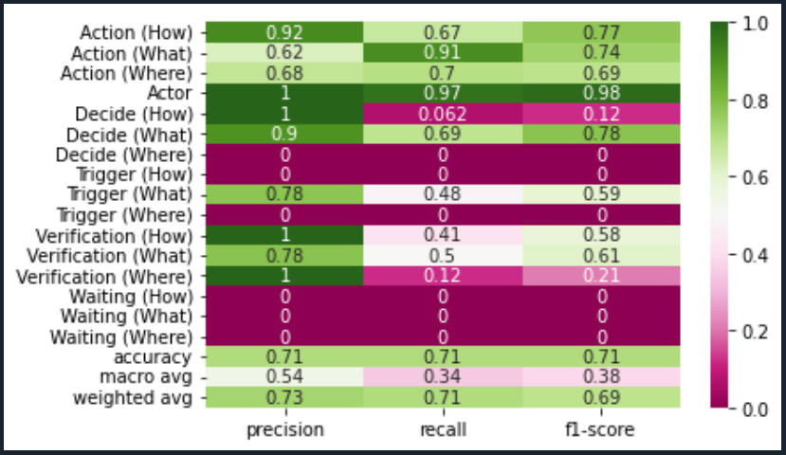
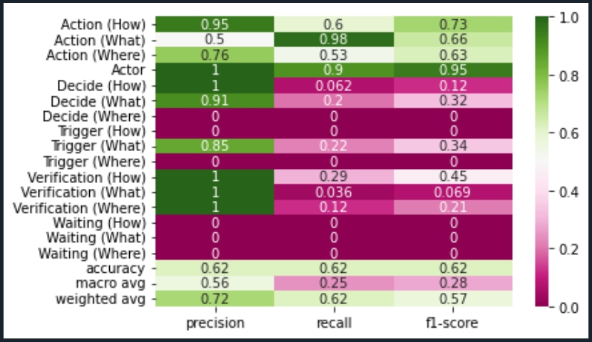
Dataset: | SOPsv1 |  | Comments:
Test: | 30% |  | Dataset is the original data provided by annotated documents from client and team.
Records: | 2955
Algorithm: |  | en_stsb_roberta_large

# Labels by Category |  |  | Len of Text

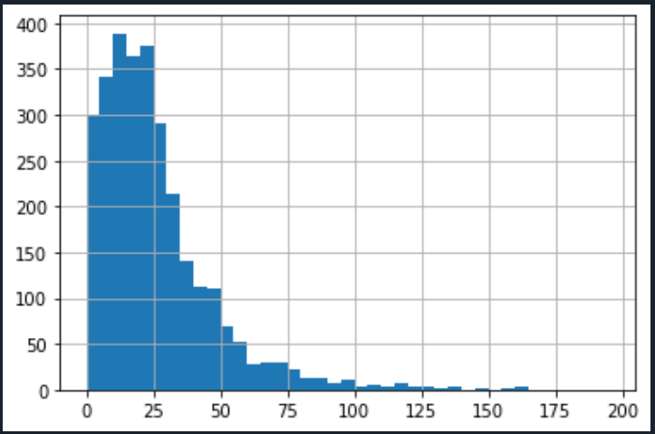
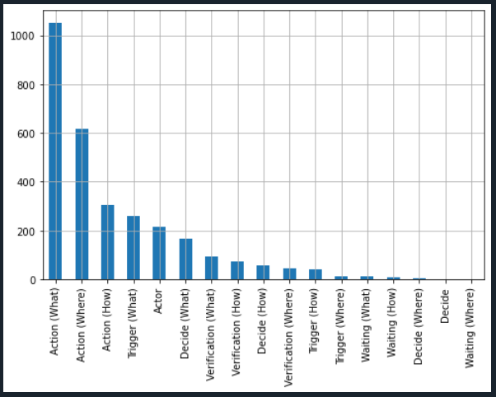

Support Vector Classifier |  |  | Random Forest Classifier

SOPsv2
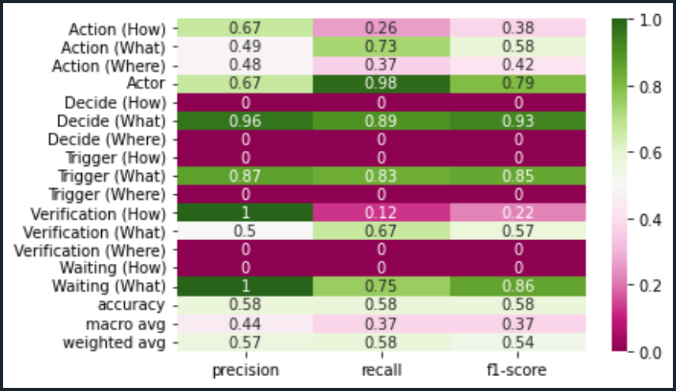
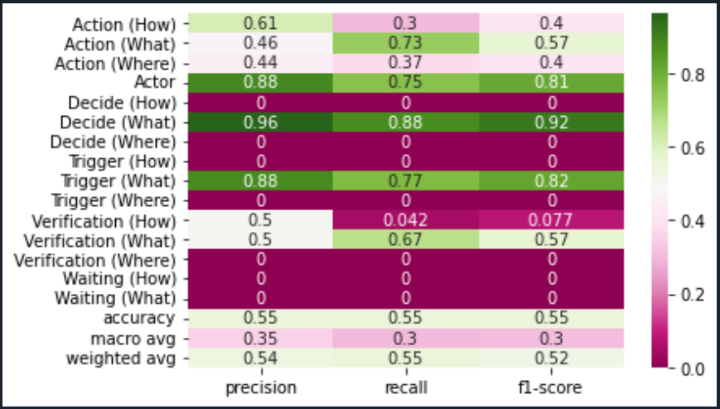
Dataset: | SOPsv3 |  | Comments:
Test: | 30% |  | Dataset is considering all labels with algoritm applied to the first string of the text.
Records: | 2969
Algorithm: |  | en_stsb_roberta_large

# Labels by Category |  |  | Len of Text
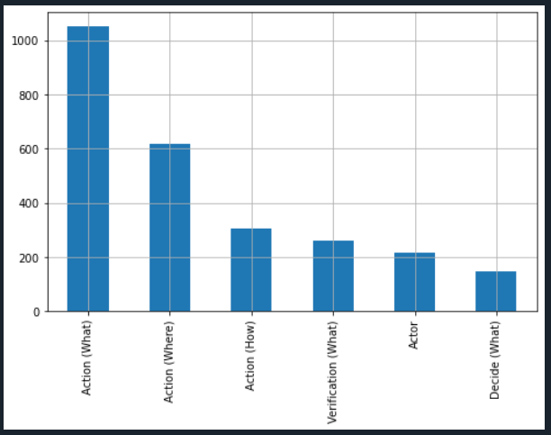
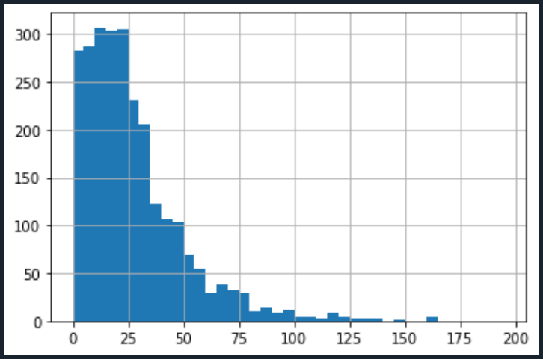

Support Vector Classifier |  |  | Random Forest Classifier

SOPsv3
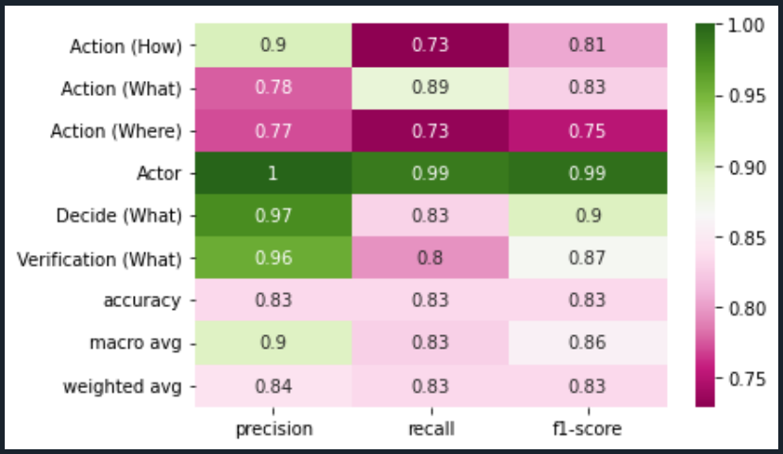
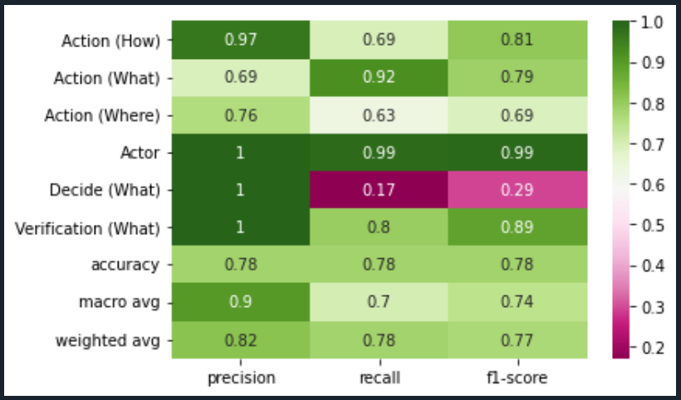
Dataset: | SOPsv3 |  | Comments:
Test: | 30% |  | Dataset is considering Action labels and Actors plus conditional lables Decide (What) and Verification (What)
Records: | 2595
Algorithm: |  | en_stsb_roberta_large

# Labels by Category |  |  | Len of Text

Support Vector Classifier |  |  | Random Forest Classifier

SOPsv4
 | Dataset: | SOPsv1 |  | Comments:
 | Test: | 30% |  | Dataset is considering all labels with algoritm applied to the first string of the text plus the normal algorithm.
 | Records: | 2969
 | Algorithm: |  | en_stsb_roberta_large

 | # Labels by Category |  |  | Len of Text

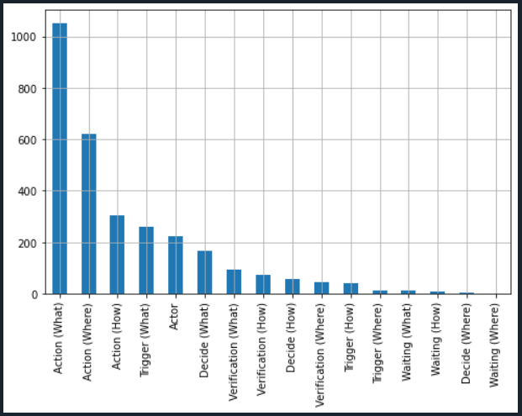


 | Support Vector Classifier |  |  | Random Forest Classifier
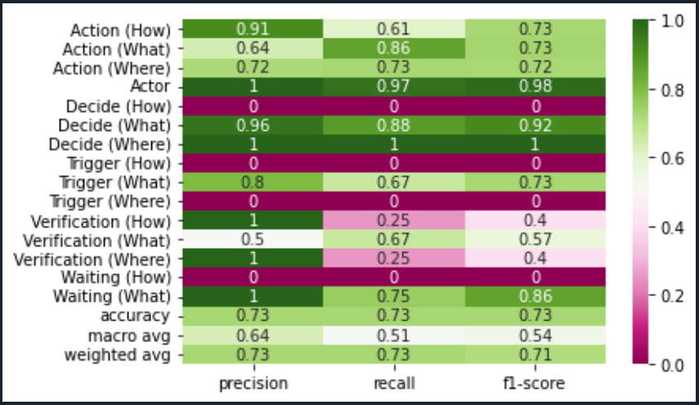
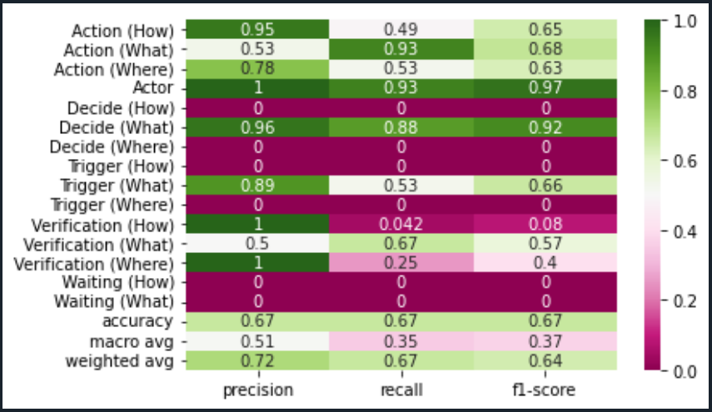

GG

SOPsv5
Dataset: | SOPsv1 |  | Comments:
Test: | 30% |  | Dataset is considering all labels with algoritm applied to the first string of the text plus the normal algorithm. Action how condition added.
Records: | 2969
Algorithm: |  | en_stsb_roberta_large

# Labels by Category |  |  | Len of Text

Support Vector Classifier |  |  | Random Forest Classifier
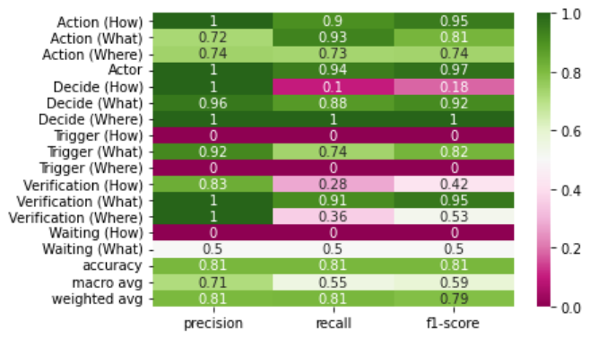
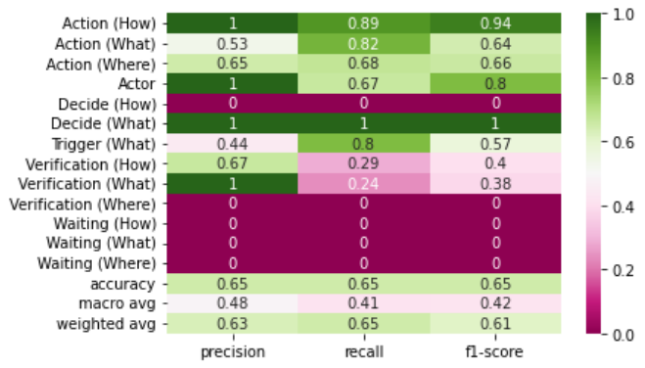

Support Vector Classifier
Overall Model |  |  | Testing 3 SOPs not included in Data

Sequence
Sequencial Analysis

Chronological order | Alternative order
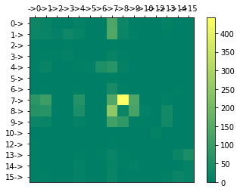
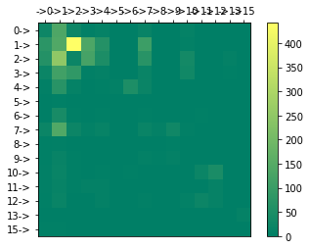

 |  | Label | Chronological order | Label | Suggested order
 |  | Actor | 0 | Actor | 0
 |  | Action (What) | 1 | Trigger (What) | 1
 |  | Action (Where) | 2 | Trigger (Where) | 2
 |  | Action (How) | 3 | Trigger (How) | 3
 |  | Decide (What) | 4 | Decide (What) | 4
 |  | Decide (Where) | 5 | Decide (Where) | 5
 |  | Decide (How) | 6 | Decide (How) | 6
 |  | Trigger (What) | 7 | Action (What) | 7
 |  | Trigger (Where) | 8 | Action (Where) | 8
 |  | Trigger (How) | 9 | Action (How) | 9
 |  | Verification (What) | 10 | Waiting (What) | 10
 |  | Verification (Where) | 11 | Waiting (Where) | 11
 |  | Verification (How) | 12 | Waiting (How) | 12
 |  | Waiting (What) | 13 | Verification (What) | 13
Actor-0 Trigger (What)-1 Trigger (Where)-2 Trigger (How)-3 Decide (What)-4 Decide (Where)-5 Decide (How)-6 Action (What)-7 Action (Where)-8 Action (How)-9 Waiting (What)-10 Waiting (Where)-11 Waiting (How)-12 Verification (What)-13 Verification (Where)-14 Verification (How)-15 | Actor-0 Action (What)-1 Action (Where)-2 Action (How)-3 Decide (What)-4 Decide (Where)-5 Decide (How)-6 Trigger (What)-7 Trigger (Where)-8 Trigger (How)-9 Verification (What)-10 Verification (Where)-11 Verification (How)-12 Waiting (What)-13 Waiting (Where)-14 Waiting (How)-15 | Waiting (Where) | 14 | Verification (Where) | 14
 |  | Waiting (How) | 15 | Verification (How) | 15

 |  | Actor-0 Action (What)-1 Action (Where)-2 Action (How)-3 Decide (What)-4 Decide (Where)-5 Decide (How)-6 Trigger (What)-7 Trigger (Where)-8 Trigger (How)-9 Verification (What)-10 Verification (Where)-11 Verification (How)-12 Waiting (What)-13 Waiting (Where)-14 Waiting (How)-15

Chronological order sub label | Alternative order sub label
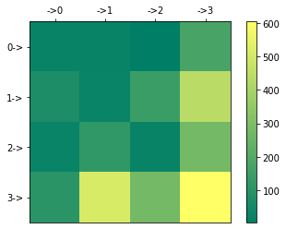
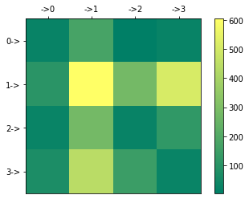
 |  | Actor-0 Trigger (What)-1 Trigger (Where)-2 Trigger (How)-3 Decide (What)-4 Decide (Where)-5 Decide (How)-6 Action (What)-7 Action (Where)-8 Action (How)-9 Waiting (What)-10 Waiting (Where)-11 Waiting (How)-12 Verification (What)-13 Verification (Where)-14 Verification (How)-15

Actor-0 Where-1 How-2 What-3 | Actor-0 What-1 How-2 Where-3

Chronological order parent label | Legend
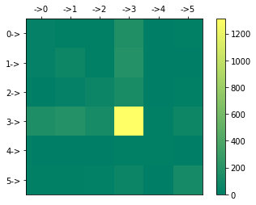

Actor-0 Trigger-1 Decide-2 Action-3 Waiting-4 Verification-5

Note: Waiting (Where) is not present on the data set since there are no records available.

Model_vis_cm
Random Forrest

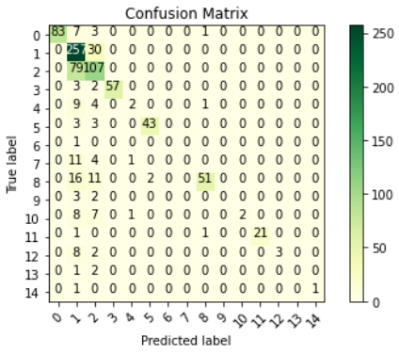
 | Order | Label
 | 0 | Actor
 | 1 | Action (What)
 | 2 | Action (Where)
 | 3 | Action (How)
 | 4 | Decide (How)
 | 5 | Decide (What)
 | 6 | Decide (Where)
 | 7 | Trigger (How)
 | 8 | Trigger (What)
 | 9 | Trigger (Where)
 | 10 | Verification (What)
 | 11 | Verification (Where)
 | 12 | Verification (How)
 | 13 | Waiting (What)
 | 14 | Waiting (How)

SVC


 | Order | Label
 | 0 | Actor
 | 1 | Action (What)
 | 2 | Action (Where)
 | 3 | Action (How)
 | 4 | Decide (How)
 | 5 | Decide (What)
 | 6 | Decide (Where)
 | 7 | Trigger (How)
 | 8 | Trigger (What)
 | 9 | Trigger (Where)
 | 10 | Verification (What)
 | 11 | Verification (Where)
 | 12 | Verification (How)
 | 13 | Waiting (What)
 | 14 | Waiting (How)

Model_test
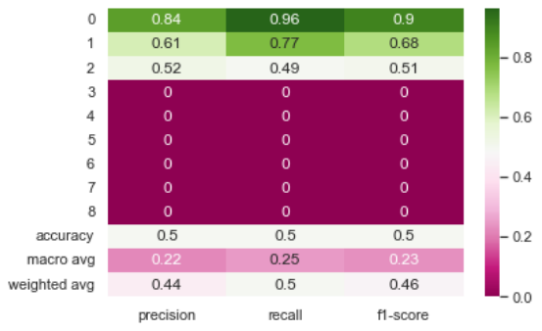
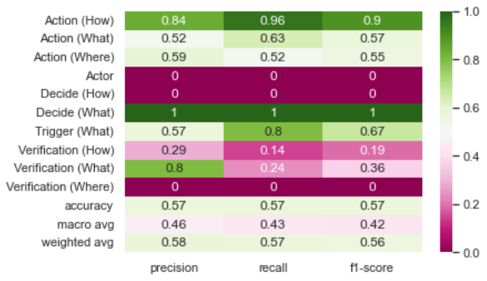
Support vector classifier |  | Random forest |  | Stochastic gradient descent
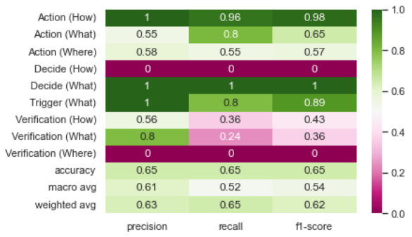
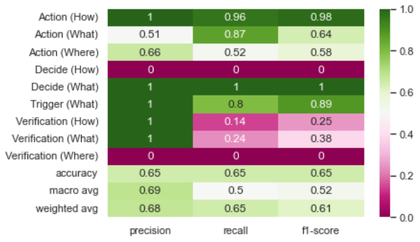
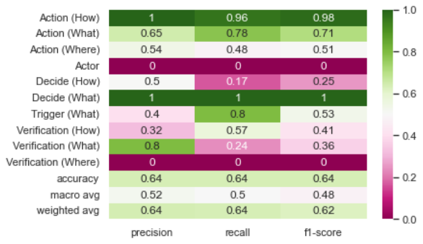

 | XGBoost |  | Decision tree

